Sheet1
Paper: | Definition of IMI using CFU: | Questions raised/interpretation:
Epidemiology of coagulase-negative staphylococci intramammary infection in dairy cattle and the effect of bacteriological culture misclassification. Dufour S Dohoo IR Barkema HW Descôteaux L Devries TJ Reyher KK Roy JP Scholl DT; J Dairy Sci 2012 Jun;95(6):3110-24PMID:22612947 | Defined CNS IMI as: infected with CNS whenever bacteriological culture yielded >/= 100 phenotypically identical CNS cfu/mL of milk (1 colony from 10 uL on plate); 3 milk samples were collected from each quarter; 3 or more pathogen species isolated = contaminated; The same threshold was chosen to define IMI due to Staph. aureus, Corynebacterium spp., Streptococcus uberis, Streptococcus agalactiae, Streptococcus dysgalactiae, and other streptococci species (presumably, primarily enterococci). For CNS IMI prevalence, the series of quarter milk samples collected during a specific sampling period were considered as one single observation. A prevalent CNS IMI was deemed to be present if 1 or more of the 3 samples collected was found to be positive for CNS. Series where CNS was never cultured were defined as free of CNS IMI. The outcome for the prevalence data set was, therefore, the presence of a CNS IMI in any of the milk samples of a series. | Quarter was positive for CNS if any 1 of 3 samples from a time point were found to have sufficient CNS
Diagnosing intramammary infections: evaluating expert opinions on the definition of intramammary infection using conjoint analysis. Andersen S Dohoo IR Olde Riekerink R Stryhn H; J Dairy Sci 2010 Jul;93(7):2966-75PMID:20630213 | In a selective review of the recent literature, several definitions of IMI were identified. Several of the reviewed papers used the NMC (1987) guidelines for diagnosing a quarter as IMI-positive or IMI-negative as reference. These guidelines base the confidence of diagnosis on the following criteria: purity of culture (pure, mixed 2 types, mixed several types) and number of colonies isolated (1, several, more than 10). Only 1 of the reviewed papers published during the last 10 yr made use of a minimum colony count for mastitis pathogens: Zadoks et al. (2001) used a minimum colony count of 1,000 cfu/mL when using single samples to determine infection status with Streptococcus uberis (10 colony from 10 uL on plate) | The agreement at the MRWC 2008 meeting was that the consensus standard classification rules be simplified to the following 2 rules: 1. the organism of interest was isolated on the test day with 1,000 cfu/mL or more, or 2. the organism of interest was isolated at least twice out of 3 consecutive weekly tests.
Diagnosing intramammary infections: evaluation of definitions based on a single milk sample. Dohoo IR Smith J Andersen S Kelton DF Godden S; J Dairy Sci 2011 Jan;94(1):250-61PMID:21183035 | For all species except Staph. aureus, the Se of all definitions was <90% . If identifying as many existing infections as possible is important, then the criteria for considering a quarter positive should be a single colony (from a 0.01-mL milk sample) isolated (definition A). For CNS, definition B (2 colonies from a 0.01-mL milk sample) increased the Sp to 92 and 95% in the daily and weekly data, respectively. For ANY, using definition B increased the Sp to 88 and 93% in the 2 data sets, respectively. The results show that all culture procedures have limited Se and requiring anything other than the isolation of 1 organism from 0.01 mL of milk (100 cfu) exacerbates the problem of limited Se.

Diagnosing intramammary infections: evaluation of composite milk samples to detect intramammary infections. Reyher KK Dohoo IR; J Dairy Sci 2011 Jul;94(7):3387-96PMID:21700024 | A sample was defined as having an IMI if 100 or more cfu/mL of any pathogenic organism of interest was cultured as either pure or mixed growth. These IMI definitions were chosen for use in calculation of the Se and Sp of diagnoses and are based on work by Dohoo et al. (2011).
Diagnosing intramammary infections: comparison of multiple versus single quarter milk samples for the identification of intramammary infections in lactating dairy cows. Dohoo I Andersen S Dingwell R Hand K Kelton D Leslie K Schukken Y Godden S; J Dairy Sci 2011 Nov;94(11):5515-22PMID:22032374 | IMI definition: positive for a pathogen if the pathogen was isolated, regardless of the number of colonies found (minimum colony count was 100 cfu/mL, 1 colony from 10 uL). Duplicates: positive in SERIES = need same pathogen isolated from both (highest SPEC, lowest SENS), positive in PARALLEL = pathogen can be isolated from either (highest SENS, lowest SPEC). Triplicate: positive if 2 of 3 samples yielded the same pathogen (highestcombination Sp and Se). Series interpretation of duplicate or consecutive samples resulted in the highest Sp but the lowest Se. Parallel interpretation of duplicate or consecutive samples resulted in the highest Se but the lowest Sp. Overrall, triplicate samples provided the best combination of Se and Sp, but compared with a single sample, provided only a modest gain in Sp and little or no gain in Se.
Diagnosing intramammary infection: Controlling misclassification bias in longitudinal udder health studies. Haine D Dohoo I Scholl D Dufour S; Prev Vet Med 2018 01 Feb;150:162-167PMID:29169686 | Defined IMI: 200 CFU/mL (2 colonies from 10 uL loop). With CNS, bias and misclassification errors greater when diagnosing IMI than other mastitis pathogens, as Sens "fair" and Spec "good," more prevalence, higher incidence than SA. Designed R package to help explore misclassification/bias for different pathogens and different testing strategies. CNS milk bacteriological culture having a fair Se (60%) but an excellent Sp (95%), at 200 CFU/ml; Dohoo et al., 2011b (eval single); Dufour et al., 2012a (Epidemiology of coagulase-negative staphylococci intramammary infection in dairy cattle and the effect of bacteriological culture misclassification).
Estimation of interdependence among quarters of the bovine udder with subclinical mastitis and implications for analysis. Barkema HW Schukken YH Lam TJ Galligan DT Beiboer ML Brand A; J Dairy Sci 1997 Aug;80(8):1592-9PMID:9276797 | Defined IMI as 5 CFU (using 10 uL loop) of "a bacterial species," and an elevated SCC of >250,000 cells/mL
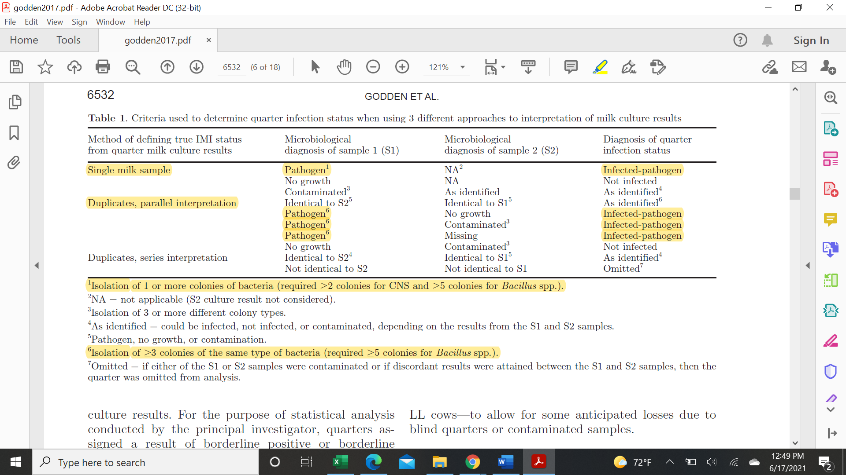
Evaluation of an automated milk leukocyte differential testand the California Mastitis Test for detecting intramammary infection in early- and late-lactation quarters and cows; S. M. Godden,*1 E. Royster,* J. Timmerman,* P. Rapnicki,† and H. Green† (2017)

Rowe 2019 | To improve the specificity of IMI classification (i.e., reduce false positives), non-aureus Staphylococcus spp. (NAS) isolates with less than 2 colonies (<200 cfu/mL), and Bacillus spp. isolates with less than 5 colonies (<500 cfu/mL) were reclassified as “no growth” and the quarter considered uninfected (Dohoo et al., 2011). This adjustment was made because poor specificity is a more potent source of biased measures of association than poor sensitivity (Haine et al., 2018).

